MERGED
 |  |  |  | METALMAN AUTO PRIVATE LIMITED |  |  |  |  |  |  |  |  |  |  |  |  | VERSION NO | MAPL/CCDT/CORO/V1.0 |  | Required CFT Member
BUSINESS CATEGORY |  |  |  | BUSINESS DOMAIN |  |  | CUSTOMER NAME | CNHI | CONFIDENTIALITY |  |  |  |  |  |  |  |  | BUSINESS LOCATION | MAPL Pithampur |  |  | RFQ RECEIVED DATE |  | CUSTOMER NAME | CNH | CFT REVIEW COMPLETION TARGET DATE |  | COSTING COMPLETION TARGET DATE FOR ENGG
Part Details |  |  |  |  |  |  |  |  |  |  |  |  |  |  |  |  |  | Material Details |  |  |  |  |  |  | Process |  |  |  | Surface Treatment details |  |  |  |  | Dimensional Measurement Feasibility |  |  |  |  |  |  | Final Feasibility Comments/Conclusion
Sr No | Operation No. | Process Function | BOM Level | Part No. | Part Description | Qty/Assy | Drg Avl | Revision no | Commodity | Sub Assemblies used in operations | Fixture No. | Fixture Name | Make | Welding Source | Photo | Part Name | Scope | Material Gr. (As per Drawing) |  | Material Gr. (MAPL Prop.) |  | Thickness/Size(mm) (As per Drawing) | Thickness/Size(mm) (MAPL Consider) with Proposed tolerances | Net Weight in drg. (Kgs.) (Based on final material grade) | Manufacturing Process Details | Manufacturing Facility Availability | Inspection Facility Availability | FTGE Requirements | Surface Treatment (Y/N) | ST type | Available In-house | Can it be Outsourced (Yes / No | Any Constraint to meet Requirement | Total Dimension in drawing (Including all notes) | Total SC/CC Dimensions in Drawing |  | Not Feasible Dimensions (For Manufacturing) | Not Feasible Dimensions (For Inspection ) | Ballooning no. for |  | Special Requirement (IF any) of any deviation required | Feasibility (Y/N) | Remarks
 |  |  |  |  |  |  |  |  |  |  |  |  |  |  |  |  |  | Standard & Grade | Specific requirement by Customer (Chemical Composition / Mechanical Properties / Any Specific test | Standard & Grade | Diff. Between Required grade & Proposed grade (Chemical Composition / Mechanical Properties / Any other) |  |  |  |  |  |  |  |  |  |  |  |  |  | SC | CC |  |  | Non Feasible Dimensions For Manufacturing | Non Feasible Dimensions For Inspection
1 | OP-10 A | Child Part Collection, Tack Welding, Full Welding, Finshing/Deburring | 2 | 92187151 | PLATE ,DOOR,SIDE | 1 | YES | A | SHEET METAL |  | WF No. : MAPL-92187146-1-OP-10A) | SUB-ASSY -92187146-1 -Door WA,LH,952NX, Rev-C | DE | Manual | 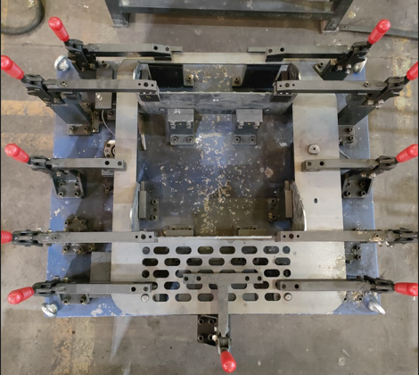 | DOOR, ASSY, LH, 952NX | MAPL | E250BR | NA | E250BR | NA | 5+1.10/0.49 | 5+1.10/0.49 | 7.53 | LC | YES | YES |  | Y | Y | Y | N | N |  |  |  |  |  |  |  |  | Feasible
2 |  |  | 2 | 92187148 | PLATE, CHEQUERED | 1 | YES | B | SHEET METAL |  |  |  |  |  |  |  | MAPL | IS 3502 | NA | IS 3502 | NA | 4+0.8/-0,4 | 4+0.8/-0,4 | 3.36 | LC+BENDING | YES | YES
3 |  |  | 2 | 92187147 | PLATE, CHEQUERED | 1 | YES | B | SHEET METAL |  |  |  |  |  |  |  | MAPL | IS 3502 | NA | IS 3502 | NA | 4+0.8/-0,4 | 4+0.8/-0,4 | 3.08 | LC+BENDING | YES | YES
4 | OP-10 B | Child Part Collection, Tack Welding, Full Welding, Finshing/Deburring | 2 | 92281502 | BRACKET,DOOR | 1 | YES | A | SHEET METAL | OP-10 A | WF No. : MAPL-92187146-2-OP-10B) | SUB-ASSY -92187146-2 -Door WA,LH,952NX, Rev-C | DE | Manual | 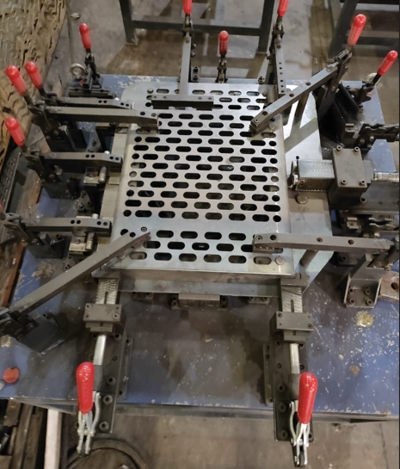 | DOOR, ASSY, LH, 952NX | MAPL | E250BR | NA | E250BR | NA | 5+1.10/0.49 | 5+1.10/0.49 | 7.77 | LC+BENDING | YES | YES
5 |  |  | 2 | 92187149 | PLATE, DOOR TOP | 1 | YES | A | SHEET METAL |  |  |  |  |  |  |  | MAPL | E250BR | NA | E250BR | NA | 3+0.8/-0.4 | 3+0.8/-0.4 | 0.742 | LC | YES | YES
6 |  |  | 2 | 92187145 | PLATE, DOOR LOCK, MTG | 1 | YES | B | SHEET METAL |  |  |  |  |  |  |  | MAPL | E350C | NA | E350C | NA | 10+1.2/-0.73 | 10+1.2/-0.73 | 0.221 | LC+DRILL+TAPPING | YES | YES
7 |  |  | 2 | 92218240 | BRACKET, DOOR, REINFORMENT | 1 | YES | A | SHEET METAL |  |  |  |  |  |  |  | MAPL | E250BR | NA | E250BR | NA | 3 | 3 | 0.635 | LC+BENDING | YES | YES
8 |  |  | 2 | 92218241 | PLATE, SUPPORT | 1 | YES | A | SHEET METAL |  |  |  |  |  |  |  | MAPL | E350C | NA | E350C | NA | 10+1.2/-0.73 | 10+1.2/-0.73 | 0.118 | LC+GRINDING | YES | YES
9 |  |  | 2 | 92217650 | BRACKET, DOOR, REINFORMENT | 1 | YES | A | SHEET METAL |  |  |  |  |  |  |  | MAPL | E250BR | NA | E250BR | NA | 5+1.10/0.49 | 5+1.10/0.49 | 7.77 | LC+BENDING | YES | YES
10 |  |  | 2 | 92217651 | GUSSET, STOPPER | 1 | YES | A | SHEET METAL |  |  |  |  |  |  |  | MAPL | E250BR | NA | E250BR | NA | 3+0.8/-0.4 | 3+0.8/-0.4 | 0.011 | LC | YES | YES
11 |  |  | 2 | 92217652 | GUSSET, STOPPER | 1 | YES | A | SHEET METAL |  |  |  |  |  |  |  | MAPL | E250BR | NA | E250BR | NA | 3+0.8/-0.4 | 3+0.8/-0.4 | 0.024 | LC | YES | YES
12 |  |  | 2 | 90451393 | HINGE, GUARDMESH | 3 | YES | B | BOP |  |  |  |  |  |  |  |  | NA | NA | NA | NA | NA | NA | 23.8 | BOP | NA
13 |  |  | 2 | 92281539 | BLOCK, TAPPED M10X1.5 | 1 | YES | A | SHEET METAL |  |  |  |  |  |  |  | MAPL | E350C | NA | E350C | NA | 16+1.3/-0.6 | 16+1.3/-0.6 | 0.202 | GS+DRLL+TAPPING | YES | YES
14 | OP-20 | Child Part Collection, Full Welding, Finshing/Deburring |  |  |  |  |  |  |  | OP-10 B | Welding Fixture (WF No. : MAPL-92187146-3 -OP-20) | Full Welding -92187146-Door WA,LH,952NX, Rev-C | MAPL | Manual | 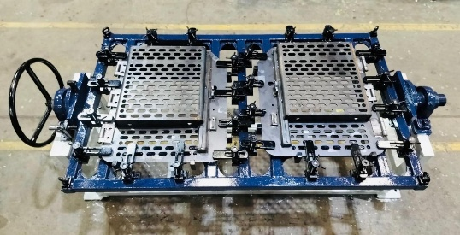 | DOOR, ASSY, LH&RH, 952NX |  |  | NA
15 | OP-30 | Transportation to pretreatment (Material through trolly), Knock of Degrease, Degrease, Water Rinse 1, Water Rinse 2, Surface Activation, Phosphate, Water Rinse 03, Water Rinse 04, PTRCDM, CED Coating, Ultra Filtration, EDRCDM, Unloading,Baking, Putty Application & Finishing, Cleaning, Inspection (Quality Gate No.-2 & 3),Final Paint,Backing, Inspection (Quality Gate No.-4), Storage | 1 | 92249728 | DOOR PWRTAN, LH, 952NX | 1 | YES | C | Painted Assly | OP-10 B,OP-20 | NA | Painting (DOOR, ASSY, LH, 952NX-92244728) (Power Tan -Std-86628042) |  | Manual |  | DOOR, ASSY, LH, 952NX | MAPL | NA | NA | NA | NA | NA | NA | 23.8 | PT + CED + PAINTING | YES | YES
16 |  |  | 2 | 92187146 | DOOR WA, LH, 952NX | 1 | YES | C | Sub Assy |  |  |  |  |  |  |  | MAPL | NA | NA | NA | NA | NA | NA | 23.8 | TW + FW + dressing | YES | YES
17 | OP-40 | Child Part Collection, RUBBER TRACK, BEADING-ASSEMBLY | 1 | 92244737 | RUBBER TRACK, BEADING | 2 | YES | A | BOP | OP-30 | RG No. : MAPL-92187158-OP-40) | FINAL ASSEMBLY (92187158-DOOR, ASSY, LH, 952NX) Rev-C | DE | Manual | 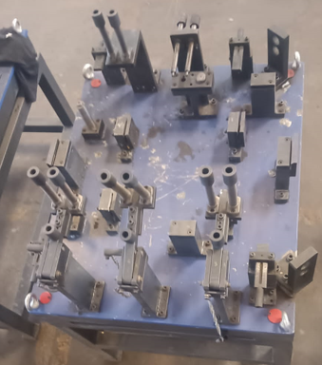 | DOOR, ASSY, LH, 952NX-Receiving Gauge |  | NA | NA | NA | NA | NA | NA | 0.416 | BOP | NA
18 | OP-50 | Inspection (Quality Gate no.-5), Finishing/Cleaning, Pre-Dispatch Inspection, Move to Dispatch | 0 | 92187158 | DOOR PWRTAN, LH, 952NX | 1 | YES | A | Painted Assly | OP-40 | NA | FINAL INSPECTION (92187158-DOOR, ASSY, LH, 952NX) Rev-C |  | Manual |  | DOOR, ASSY, LH, 952NX | MAPL | NA | NA | NA | NA | NA | NA | 24.3 | PT + CED + PAINTING | YES | YES |  | Y | Y | Y | N | N |  |  |  |  |  |  |  |  | Feasible

